Sheet1
Place | Origin | Team |  | Map Diff | Round Wins | Round Losses | Round Diff | Round Win %
1st | 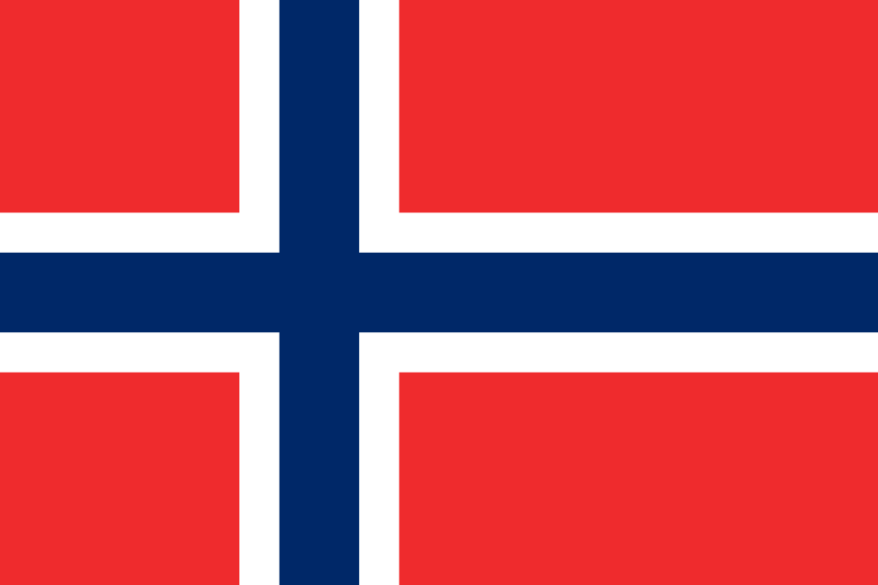 |  | Apeks | 21 | 254 | 105 | 149 | 70.8%
2nd |  |  | SweetNSour | 1 | 186 | 271 | -85 | 40.7%
3rd |  |  | OnlyFins | 1 | 244 | 275 | -31 | 47.0%
4th |  |  | Metizport | -2 | 218 | 228 | -10 | 48.9%
5th |  |  | apinaorkesteri | -1 | 162 | 180 | -18 | 47.4%
6th |  |  | NXT | -1 | 136 | 162 | -26 | 45.6%
7th |  |  | Formulation | -4 | 183 | 200 | -17 | 47.8%
8th |  |  | Who cars? | -12 | 144 | 212 | -68 | 40.4%

